Step 3
Samples of Performance Optimization in Decision Tables

 | Step3. Performance Optimization in Decision Tables

 | Time for executing OpenL Rules heavily depends on the complexity of condition expressions. To improve performance, try to use simple expressions, even simplified expressions. Let's look at "Greeting" rules from Tutorial1 which only difference are condition expressions. Instead of full expression " min <= hour and hour < max" we just use "hour", and then we use SimpleRules table type. The parser automatically recognizes the condition and builds it. The most efficient way is to use SimpleRules (below you will see performance results of running these Greeting rules):

 |  | Rules String Greeting1 (Integer hour)
 |  | C1 |  | RET1
 |  | min <= hour and hour < max |  | greeting + ", World!"
 |  | Integer min | Integer max | String greeting
 |  | From | To | Greeting
 |  | 0 | 12 | Good Morning
 |  | 12 | 18 | Good Afternoon
 |  | 18 | 22 | Good Evening
 |  | 22 | 24 | Good Night

 |  | Rules String Greeting2 (Integer hour)
 |  | C1 |  | RET1
 |  | hour |  | greeting + ", World!"
 |  | Integer min | Integer max | String greeting
 |  | From | To | Greeting
 |  | 0 | 12 | Good Morning
 |  | 12 | 18 | Good Afternoon
 |  | 18 | 22 | Good Evening
 |  | 22 | 24 | Good Night

 |  |  | Rules String Greeting3 (Integer hour)
 |  |  | C1 | RET1
 |  |  | hour | greeting + ", World!"
 |  |  | IntRange | String greeting
 |  |  | Hour | Greeting
 |  |  | 0 - 11 | Good Morning
 |  |  | 12 - 17 | Good Afternoon
 |  |  | 18 - 21 | Good Evening
 |  |  | 22 - 23 | Good Night

 |  |  | SimpleRules String Greeting4 (Integer hour)
 |  |  | Hour | Greeting
 |  |  | 0 - 11 | Good Morning, World!
 |  |  | 12 - 17 | Good Afternoon, World!
 |  |  | 18 - 21 | Good Evening, World!
 |  |  | 22 - 23 | Good Night, World!

 | Here are Test Tables for "Greeting" rules:

 |  |  | Test Greeting1 Greeting1Test
 |  |  | hour | _res_
 |  |  | Hour | Greeting
 |  |  | 0 | Good Morning, World!
 |  |  | 17 | Good Afternoon, World!
 |  |  | 20 | Good Evening, World!
 |  |  | 23 | Good Night, World!

 |  |  | Test Greeting2 Greeting2Test
 |  |  | hour | _res_
 |  |  | Hour | Greeting
 |  |  | 0 | Good Morning, World!
 |  |  | 17 | Good Afternoon, World!
 |  |  | 20 | Good Evening, World!
 |  |  | 23 | Good Night, World!

 |  |  | Test Greeting3 Greeting3Test
 |  |  | hour | _res_
 |  |  | Hour | Greeting
 |  |  | 0 | Good Morning, World!
 |  |  | 17 | Good Afternoon, World!
 |  |  | 20 | Good Evening, World!
 |  |  | 23 | Good Night, World!

 |  |  | Test Greeting4 Greeting4Test
 |  |  | hour | _res_
 |  |  | Hour | Greeting
 |  |  | 0 | Good Morning, World!
 |  |  | 17 | Good Afternoon, World!
 |  |  | 20 | Good Evening, World!
 |  |  | 23 | Good Night, World!

 | In WebStudio you can actually measure the table performance using OpenL Benchmarks. To do this, open the project in OpenL Studio, select the test in Rules Editor and click on Benchmark icon. Below you may find the result of benchmarking "Greeting" rules. As you may notice, the most productive rule is "Greeting4" with simplied condition (SimpleRules type table), the least productive is Greeting1 with full complex condition expression:

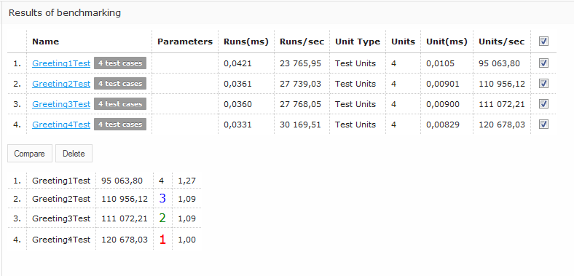

 | Step 4.

